answers
answer_id | count | validation | uncertainty | comments | chat | closed | offensive/defensive | wrongly added | missed | affected chains | Column1 | Column2
230749 | 0 | 0 | 0 | gdal debug conversation | no | no
102122 | 0 | 0 | 0 | debugging conversation python | no | no
7650 | 0 | 0 | 0 |  | no | no
280958 | 0 | 0 | 0 |  | yes | no |  |  |  |  | https://chat.stackexchange.com/rooms/76610/discussion-on-answer-by-rodrigo-how-to-create-a-grid-of-10degx10deg-polygons-for
318205 | 0 | 1 | 0 |  | yes | no |  | 1 |  | 1
199685 | 0 | 0 | 0 | 2 person debug conv | no | no
312501 | 0 | 0 | 0 |  | yes | no
245492 | 0 | 0 | 0 | 3 person discussion | no | no
86185 | 0 | 0 | 0 | 2 person debug conv | no | no
250432 | 0 | 0 | 0 | 2 person debug conv | no | no
244296 | 0 | 1 | 0 | mostly 2 person conv | no | no |  | 2 |  | 1
306981 | 0 | 0 | 0 | 2 person debug conv | no | no
5787 | 0 | 0 | 0 | 2 person debug conv | no | no
34387 | 0 | 0 | 0 | file format conv | no | no | 1
52231 | 0 | 0 | 1 | 2 person debug conv | yes | no
267985 | 0 | 0 | 0 | 2 person debug conv | no | no
272392 | 0 | 0 | 0 | 2 person debug conv | no | no
284414 | 0 | 0 | 0 | 2 person debug conv, aborted | no | no
288655 | 0 | 0 | 0 | 2 person debug conv | no | no
176225 | 0 | 0 | 0 | 2 person debug conv | no | no
220274 | 0 | 0 | 0 | 2 person debug conv | yes | no
252544 | 0 | 0 | 0 | 2 person debug conv | yes | no
267486 | 0 | 0 | 0 | 2 person debug conv | no | no
307271 | 0 | 0 | 0 | 2 person debug conv | no | no
322956 | 0 | 0 | 0 | 2 person debug conv | no | no
21661 | 2 | 2 | 0 | debug conv + 2 comments | no | no
33070 | 2 | 2 | 0 |  | no | no
126550 | 5 | 5 | 0 | debug conv | no | no
209131 | 3 | 5 | 1 | development of plugin | no | no |  | 2 |  | 1 |  | one message missed
274600 | 2 | 3 | 1 | python environment | no | no |  | 1 |  | 1 |  | messed up
109969 | 4 | 3 | 1 |  | no | no |  | 0 | 3 | 1 |  | one chain too much
5642 | 2 | 2 | 0 |  | no | no
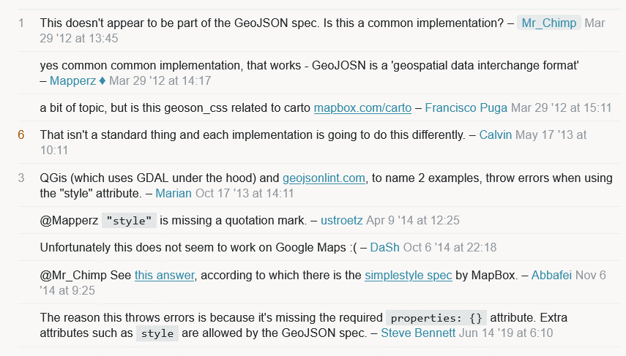
22492 | 4 | 4 | 2 | cumulative | no | no |  |  |  |  |  | messages in between
54792 | 3 | 3 | 0 | cumulative cos + conversation | no | no
92227 | 2 | 3 | 0 | several convs | no | no |  |  | 1 | 1 |  | one message missed
191446 | 3 | 4 | 0 | several convs |  |  |  |  | 1 | 1 |  | one message missed
31415 | 5 | 4 | 2 |  |  |  |  | 2 |  | 2 |  | two times one message
81176 | 2 | 2 | 0
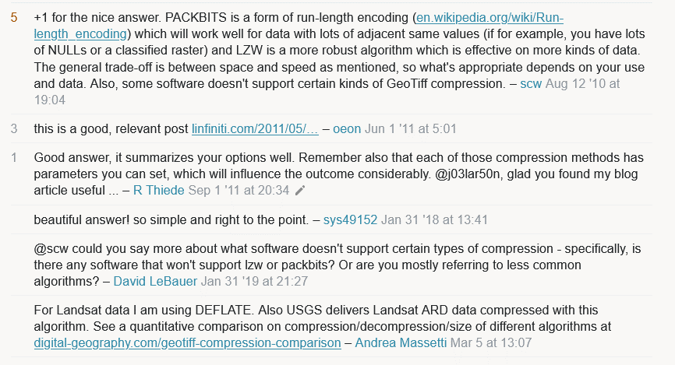
304598 | 2 | 2 | 1 |  |  |  |  |  |  |  |  | one missed, one added
1105 | 3 | 5 | 0 |  |  |  |  |  | 2 | 2
104528 | 3 | 3 | 0
83027 | 2 | 2 | 0
104380 | 2 | 1 | 0 |  |  |  |  | 1 |  | 1 |  | one message missed
155448 | 2 | 1 | 0 |  |  |  |  | 1 |  | 1 |  | one message missed
273718 | 2 | 1 | 0 |  |  |  |  | 1 |  | 1 |  | one message missed
 |  |  | 9
 |  |  |  |  |  |  |  | cases with wrong result | 12
 |  |  |  |  |  |  |  | cases with >1 wrong message per chain | 3

questions
question_id | count | validation | uncertainty | comments | chat | closed | offensive/defensive | wrongly added | missed | affected chains
346059 | 0 | 0 | 0 | lof of explaining forum rules | no | yes
282089 | 0 | 0 | 0 | quest for solution | no | yes
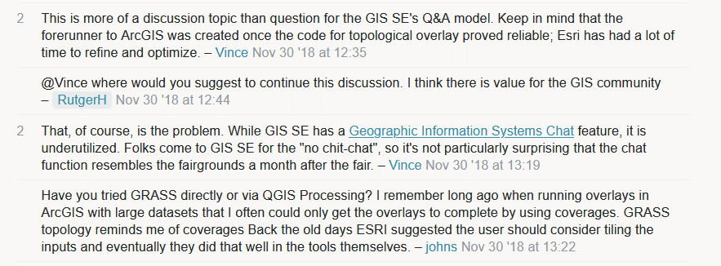
304516 | 0 | 0 | 0 | doubts on fitness of q for gis.SE (nov' 30 18) | no | yes
254232 | 0 | 0 | 0 | investigation to find error in data | no | no
313975 | 0 | 0 | 0 | users trying to help | no | no
230605 | 0 | 0 | 0 | question on computing speed | no | yes
233785 | 0 | 0 | 0 | guessing of a CRS | no | no
273946 | 0 | 0 | 1 | gdal installation pb | no | no
253475 | 0 | 0 | 0 | CRS file setting problems | no | no
270327 | 0 | 0 | 2 | geometrical problem discussions | no | no
277603 | 0 | 0 | 1 | coding speed discussion | no | no
284652 | 0 | 0 | 0 | two people discussion | no | no
291751 | 0 | 0 | 1 | discussion on finding CRS | no | no
304139 | 0 | 0 | 0 | CRS importing chit chat | no | no | 1
314664 | 0 | 0 | 0 | q understanding and CRS discussion | no | no
332587 | 0 | 1 | 1 | displaying data problem | no | no |  | 1 |  | 1
223498 | 0 | 0 | 2 | database bug | no | no
224668 | 0 | 0 | 0 | two people discussion | no | no

234630 | 0 | 0 | 0 | need for different dbs/schemas | no | no
242337 | 0 | 0 | 1 | displaying layers | no | no
258651 | 0 | 0 | 0 | pixels and polygon intersection | no | no
292368 | 0 | 0 | 3 | cumulative, on valide polygons | no | no
293799 | 0 | 0 | 2 | software speed | no | no
306342 | 0 | 0 | 0 | software bug slope computing | no | no
317620 | 0 | 0 | 0 | unclear question on moving points | no | no
6037 | 2 | 8 | 0 | extreme cumulative | no | no |  | 6 |  | 1
32119 | 3 | 2 | 0 | discussion on software | no | no |  | 2 |  | 2
36795 | 2 | 5 | 1 | extreme cumulative | no | no |  | 4 |  | 2
310347 | 2 | 1 | 0 | library versions saga | no | no |  | 1 |  | 2
137025 | 2 | 2 | 1 | admin rights | no | no
137025 | - |  |  | duplicate
144077 | 2 | 2 | 0 | uploading data | no | no
165950 | 2 | 2 | 1 | gdal data export | no | no
18814 | 2 | 3 | 0 | tool for arcpy | no | no |  | 1 |  | 1
57338 | 3 | 3 | 0 | generating points on line | no | no
64383 | 2 | 1 | 0 | arcgis wfs compliance | no | no |  |  | 1 | 2
94469 | 2 | 0 | 0 | clip raster speed | no | no |  |  | 3 | 3
126380 | 3 | 3 | 0 | qgis tools | no | no
182670 | 3 | 3 | 0 | software in R, limit cumulative | no | no
182670 | 3 | - |  | duplicate
211000 | 2 | 2 | 2 | bug of qgis | no | no
300860 | 2 | 0 | 0 | bug in qgis | no | no |  |  | 3 | 2
57651 | 2 | 1 | 1 | settings in esri | no | no |  |  | 1 | 2
216871 | 2 | 2 | 2 | bug qgis psql | no | no
256849 | 2 | 2 | 0 | cumulative, json | no | no
93159 | 2 | 2 | 0 | cumulative, json | no | no
172504 | 2 | 2 | 0 | debug discussion | no | no
227384 | 3 | 3 | 0 | ge engine | no | no
263629 | 2 | 1 | 0 | psql esri database | no | no |  |  | 1
 |  |  | 22
 |  |  |  |  |  |  |  | wrong result | 10
 |  |  |  |  |  |  |  | cases with >1 wrong message per chain | 3

